Defect Report - Template
Title | El usuario intenta crear su cuenta pero ingresa un numero de celular incorrecto

Description / Overview | El usuario al crear su cuenta ingresa un numero de celular incorrecto pero el sistema le permite crear el usuario

Reproduction Steps | 1- El usuario abre la pagina http://127.0.0.1:5000
 | 2- El usuario selecciona "Sing In"
 | 3- Coloca un numero de celular de 4 digitos (junto con los demas datos)
 | 4- Crea la cuenta

Expected Behavior | El sistema deberia notificar del error sobre el numero de celular

Actual Behavior | El sistema permite crear el usuario
 | 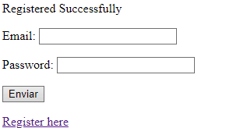
Incidence / Severity / Probability of reproduction | Severidad critica - Ocurre el 100% de las veces.

Story and Acceptance Criteria affected | Historia de usuario afectada: PE-16

Browsers tested | Google Chrome, v107.0.5304.107 (Build oficial) (64 bits)

Environment | QA environment, https://127.0.0.1:5000/register

Notes | El sistema deberia permitir un numero de celular de 11 digitos, incluyendo el numero codigo de area.

